Background
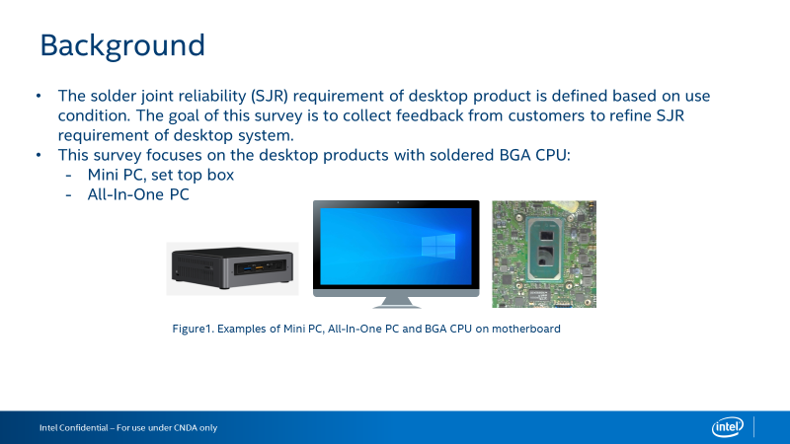

Questionnaire
Intel Confidential - Shared Under NDA

Category | Question | Example Answer | Name of the BGA Product | Name of the BGA Product
Product | What Intel BGA products are used in desktop products? | Eg., i7-10510U | TGL UP3
Category | Question | Example Answer | Desktop BGA Product - Mini PC, set top box (Solder BGA, not Socket LGA) | Desktop BGA Product - All - In - One (Solder BGA, not Socket LGA)
 |  |  |  | 
Board Level Testing - JEDEC Standard Temperature Cycle | Do you perform board level JEDEC standard temperature cycle (TC) testing for solder joint reliability? (if no, skip this section) | Eg., Yes or No | No, no we only perform aging test. Below are aging test criteria
 | What loading parameters do you use for your board level TC? | Eg., Loaded from thermal solution, not-loaded | Both, some high power SoC need thermal module, some low power SoC no thermal module attached
 | What board thickness do you use for your board level TC? | Eg., 1.6mm (62 mils) | 1.2mm, 1.6mm (Major), 2.0mm
 | What temperature range do you use for your board level TC? | Eg., -40 oC to +85 oC | -15 oC to +50 oC
 | What cycle length (including dwell time) do you use for your board level TC? | Eg., 1 hour cycle length, 15 minute dwell | 30 min cycle length, Total 4 hours. ~8 circles, with power on
 | Do you use adhesives on the Intel SOC for your board level TC? | Eg., Yes or No | No
 | How do you monitor your board level TC results? | Eg., In situ electrical monitoring or Dye & Pull or Cross Section | We don't monitor. We just check whether brd funtion test pass (different test program) during aging test
 | What is the passing criteria for your board level TC? | Eg., No resistance spikes >1000 Ohm or Dye & Pull Crack Percentage (<80%) | Aging pass.
System Level Testing | What are your test conditions for system level reliability testing? | Eg., Drop test | Drop test and shock/vibration test.
Product Temperature Conditions | What is the expected average package idle temperature of the Intel SOC inside the system? | Eg., 50C | 40C
 | What is the expected full running temperature at TDP power of the Intel SOC inside the system? | Eg., 80C | 95C
 | What is the expected average external temperature of the system? | Eg., The system will be in an air conditioned room at an average temperature of 24 oC | 0-35C
Power Cycles | How many power cycles a day do you anticipate the product going through? | Eg., It will cycle from On to Off 4 times a day | It will cycle from On to Off 4 times a day (3 years warranty)
 | How many active/standby cycles a day do you anticipate your end product going through? | Eg., It will cycle from Active to Idle 6 times a day | It will cycle from Active to Idle 6 times a day (3 years warranty)
Board Level Adhesives | Do you have experience using board level adhesives? (if no, skip this section) | Eg., Yes or No | No
 | If using board level adhesives on the Intel SOC or another BGA, what kind of adhesive application do you use? | Eg., Corner glue, short/long edge glue, corner underfill | Corner glue
 | How do you decide whether to use board level adhesives? | Eg., Only use corner glue if drop test failed. | Only use corner glue if drop test failed.
 | What adhesive brand and model do you use? | Eg., Brand ABC, Model XYZ | No

